Instructions
 | 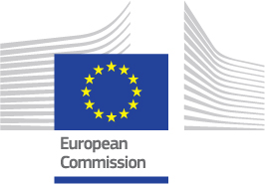
 | Moving Europe towards a sustainable and safe railway system without frontiers.

 | Instructions
1 | For each and every T&V activity you are carrying out or plan to carry out, please, fill in the information in this excel file. (Clarifications: T&V activity can be a R&D project, a Pilot Project, Laboratory tests, etc.)
2 | Send this excel file to the following e-mail addresses at the same time:
 | Wawrzyniec.PERSCHKE@ec.europa.eu
 | FRMCS-Art10-Pilots@era.europa.eu
3 | Please, update this information once per year

